Network
Applicants * n
Corridors
Only AuthoritiesNode
or CorridorsNode
Authorities

Applicant-Node*
No Restriction
Corridor-Node1
Authority-Node1

peer
peer
・non mining
・non RPC
21000
peer
RPC
any
Applications
any
21000

[static-node.json]
Corridors
enode://C-Node1@ipaddress:21000
enode://C-Node2@ipaddress:21000
[static-node.json]
Authorities
enode://A-Node1@ipaddress:21000
enode://A-Node2@ipaddress:21000
enode://A-Node3@ipaddress:21000
[static-node.json]
Authorities
enode://A-Node1@ipaddress:21000
enode://A-Node2@ipaddress:21000
enode://A-Node3@ipaddress:21000

[genesis.json]
[genesis.json]
[genesis.json]

Authority-Node2
21000

Corridor-Node2
Authority-Node3
21000
21000

3.Check connection status
Check the connection status of the peer node

・Ubuntu20.04LTS commands
Steps | Procedures | Commands | Remarks
Advance preparation | Launch geth console | (When the node is running) geth attach --datadir ~/jcbi_geth/data (When the node is stopped) geth console --datadir ~/jcbi_geth/data | Run in root directory Reference Information https://geth.ethereum.org/docs/interface/javascript-console
 | Display node information | admin.nodeInfo.enode | The node identifier is displayed
 | Display detailed node information | admin.nodeInfo
 | (Execution result example) | 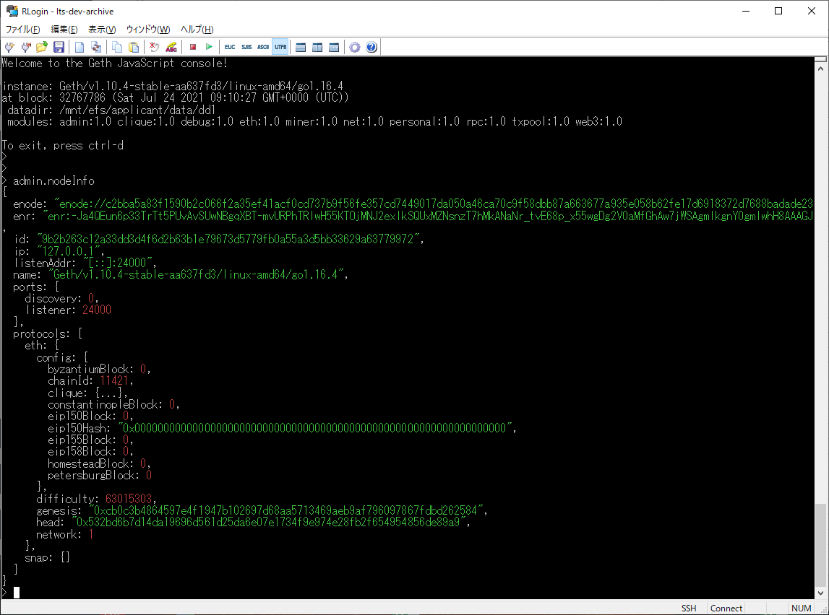
Confirmation of peer anode information | Check the quantity of pierode | net.peerCount
 | Check the information of Pianod | admin.peers | ・applicants In the displayed node information, check that the red framed part (enode, remoteAddress) in the figure below is the same as the corridors node list distributed by the JCBI Technical Subcommittee.
 | (Example of execution result) | 